assignment
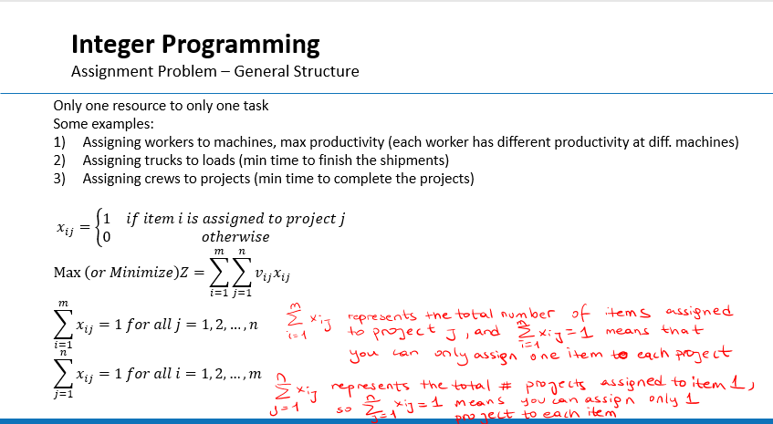
From\To | Baltimore | Boston | Boston | Chicago | Miami | New Orleans | New York | Newark | Number of Trucks Assigned from
Atlanta
Atlanta
Baltimore
Boston
Boston
Chicago
Chicago
Denver
Denver
Indianapolis
Jacksonville
Memphis
Memphis
Miami
# Trucks assigned to

From\To | Baltimore | Boston | Boston | Chicago | Miami | New Orleans | New York | Newark | Repositioning Distance
Atlanta | 0 | 0 | 0 | 0 | 0 | 0 | 0 | 0
Atlanta | 0 | 0 | 0 | 0 | 0 | 0 | 0 | 0
Baltimore | 0 | 0 | 0 | 0 | 0 | 0 | 0 | 0
Boston | 0 | 0 | 0 | 0 | 0 | 0 | 0 | 0
Boston | 0 | 0 | 0 | 0 | 0 | 0 | 0 | 0
Chicago | 0 | 0 | 0 | 0 | 0 | 0 | 0 | 0
Chicago | 0 | 0 | 0 | 0 | 0 | 0 | 0 | 0
Denver | 0 | 0 | 0 | 0 | 0 | 0 | 0 | 0
Denver | 0 | 0 | 0 | 0 | 0 | 0 | 0 | 0
Indianapolis | 0 | 0 | 0 | 0 | 0 | 0 | 0 | 0
Jacksonville | 0 | 0 | 0 | 0 | 0 | 0 | 0 | 0
Memphis | 0 | 0 | 0 | 0 | 0 | 0 | 0 | 0
Memphis | 0 | 0 | 0 | 0 | 0 | 0 | 0 | 0
Miami | 0 | 0 | 0 | 0 | 0 | 0 | 0 | 0
 |  |  |  |  |  |  |  | Total:

